H01

NCAA T-Shirt Vendor

Givens:
Costs:
Fixed: | $750
Variable: | $8.00 | for shirt
Revenue:
Full Price: | $18 | for shirt
Reduced Price: | $6.00 | for shirt

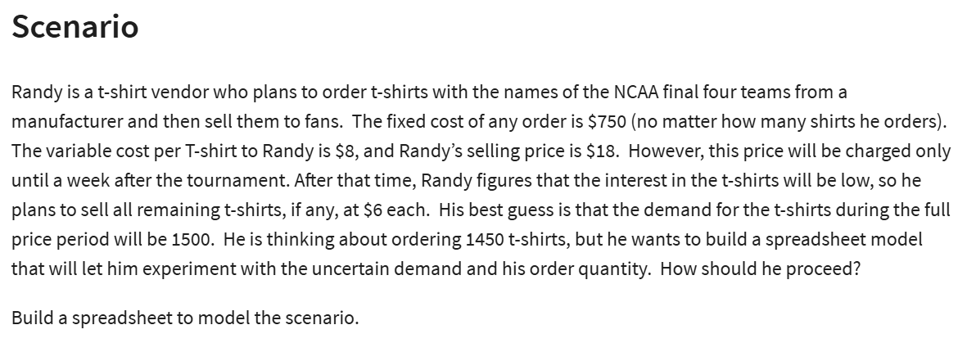
Number of Shirts Ordered: | 1450
Demand: | 1500
Number of Shirts Sold (FP): | 1450 | =MIN(B13:B14)
Number of Shirts Sold (Reduced): | 0 | =MAX(B13-B14;0)

Total Cost: | $12,350 | =B6+B7*B13
Total Revenue: | $26,100 | =B9*B15+B10*B16
Total Profit: | $13,750 | =B19-B18

H02
Woodworks Bookshelf Company
Woodworks Bookshelf Company Cost Projections
Costs: | Cherry | Oak
Unit Cost: | $5.50 | $4.30
Board Feet: | 30 | 30
Materials Cost: | $165 | $129
Labor Req'd | 16 | 16
Labor Rate: | $18.50 | $18.50
Labor Cost: | $296 | $296

Total Cost: | $461 | $425

Cost Increases: | 2.40% | 1.70% | 1.50%

Year | Cherry | Oak | Labor | Total Cherrry | Total Oak
2024 | $165.00 | $129.00 | $296.00 | $461.00 | $425.00
2025 | $168.96 | $131.19 | $300.44 | $469.40 | $431.63
2026 | $173.02 | $133.42 | $304.95 | $477.96 | $438.37
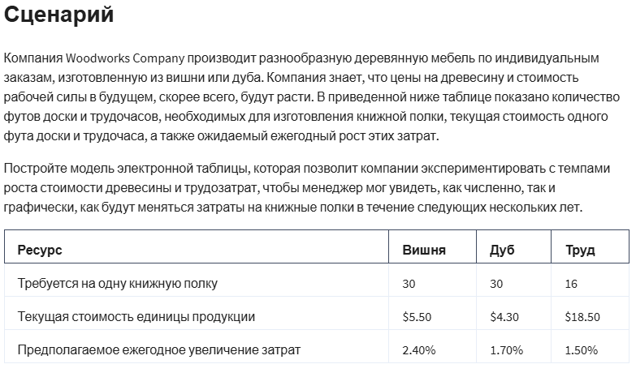
2027 | $177.17 | $135.69 | $309.52 | $486.69 | $445.21
2028 | $181.42 | $138.00 | $314.16 | $495.58 | $452.16
2029 | $185.77 | $140.34 | $318.88 | $504.65 | $459.22

H03

Quality Sweater Company
 |  |  | a) Data Table
Inputs: |  |  | Response Rate: | Profit:
Costs: |  |  |  | -£21,600
Printing: | £20,000 |  | 3% | -£21,600
Variable: |  |  | 3.50% | -£17,700
Printing: | £0.10 | per catalog | 4% | -£13,800
Mailing: | £0.15 | per catalog | 4.50% | -£9,900
Reply envelopes: | £0.20 | per order | 5% | -£6,000
Labor & Materials: | £32.00 | per order | 5.50% | -£2,100
Total Cost: | £141,600 | =B5+(B7+B8)*B13+(B9+B10)*B15 | 6% | £1,800
 |  |  | 6.50% | £5,700
Catalogs Ordered: | 100000.00 |  | 7% | £9,600
Response Rate: | 3.00% | dummy value | 7.50% | £13,500
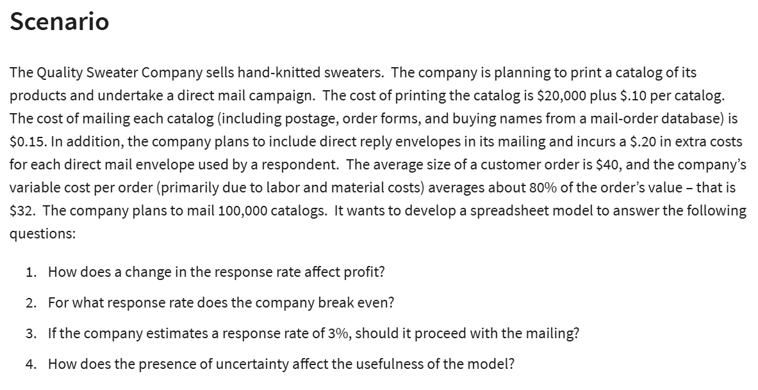
Total Orders: | 3000 | =B14*B13 | 8% | £17,400

Quality Sweater Co. Response Rate / Profit
Revenue:
Average Customer Order: | £40.00
Total Revenue: | £120,000 | =B18*B15
Total Profit: | -£21,600 | =B19-B11

H04
B&N BookStore

 |  |  |  | at least
Regular Price: | £30.00 |  |  | Ordered | Unit Cost
Sale Price: | £10.00 |  |  | 0 | £24.00
 |  |  |  | 1000 | £23.00
 |  |  |  | 2000 | £22.75
 |  |  |  | 3000 | £21.75
 |  |  |  | 4000 | £21.30


Demand: | 1000 | 500-4500
Order: | 500 |  |  |  | Demand
 |  |  |  | £3,000.00 | 500 | 1000 | 1500 | 2000 | 2500 | 3000 | 3500 | 4000
Surplus: | 0 | =MAX(B12-B11;0) | Order | 500 | £3,000.00 | £3,000.00 | £3,000.00 | £3,000.00 | £3,000.00 | £3,000.00 | £3,000.00 | £3,000.00
Surplus way 2: | 0 | =IF(B11>B12;0;B12-B11) |  | 1000 | -£3,000.00 | £7,000.00 | £7,000.00 | £7,000.00 | £7,000.00 | £7,000.00 | £7,000.00 | £7,000.00
 |  |  |  | 1500 | -£9,500.00 | £500.00 | £10,500.00 | £10,500.00 | £10,500.00 | £10,500.00 | £10,500.00 | £10,500.00
 |  |  |  | 2000 | -£15,500.00 | -£5,500.00 | £4,500.00 | £14,500.00 | £14,500.00 | £14,500.00 | £14,500.00 | £14,500.00
Costs: | £12,000.00 | =VLOOKUP(B12;I5:J9;2;1)*B12 |  | 2500 | -£21,875.00 | -£11,875.00 | -£1,875.00 | £8,125.00 | £18,125.00 | £18,125.00 | £18,125.00 | £18,125.00
 |  |  |  | 3000 | -£25,250.00 | -£15,250.00 | -£5,250.00 | £4,750.00 | £14,750.00 | £24,750.00 | £24,750.00 | £24,750.00
 |  |  |  | 3500 | -£31,125.00 | -£21,125.00 | -£11,125.00 | -£1,125.00 | £8,875.00 | £18,875.00 | £28,875.00 | £28,875.00
Revenue: | £15,000.00 | =MIN(B11:B12)*B4+B5*B14 |  | 4000 | -£35,200.00 | -£25,200.00 | -£15,200.00 | -£5,200.00 | £4,800.00 | £14,800.00 | £24,800.00 | £34,800.00

Profit: | £3,000.00 | =B21-B18

H05
Copy Shop
 |  |  |  | £- | 500 | 1000 | 1500 | 2000
Number of Copiers Rented: | 3 |  |  | 1 | -2800 | -2800 | -2800 | -2800
Maximum Copies per Year: | 300000 | =B3*100000 |  | 2 | -2025 | -800 | -800 | -800
 |  |  |  | 3 | -7025 | 1200 | 1200 | 1200
Daily Demand: | 774.95107632 | 500-2000 |  | 4 | -12025 | 750 | 3200 | 3200
Annual Demand: | 282857.14286 | =365*B6 |  | 5 | -17025 | -4250 | 5200 | 5200

Copies Made per Year: | 282857.14286

Costs
Fixed Costs: | £400.00 | per month
Variable Costs:
Copier rental | £5,000 | per copier per year
Operration cost | £0.03 | per copy

Total Annual Cost: | £28,286 | =12*B12+B3*B14+B15*B9

Revenue
Selling price: | £0.10 | per copy

Total Annual Revenue: | £28,286 | =B20*B9 | per year

Annual Profit: | £- | =B22-B17 | per year

H07
Price vs Demand
Month | Price | Demand (00s)
1 | 450 | 45
2 | 300 | 103
3 | 440 | 49
4 | 360 | 86
5 | 290 | 125
6 | 450 | 52
7 | 340 | 87
8 | 370 | 68
9 | 500 | 45
10 | 490 | 44
11 | 430 | 58
12 | 390 | 68

Linear: y=mx+b |  | Power: ax^b |  | Exponential: ae^(bx)
Intercept (b): | 211.31 | Constant a: | 5871064 | Constant a: | 466.51
Slope (m): | -0.3546 | Cexponent b: | -1.908 | Cexponent b: | -0.005
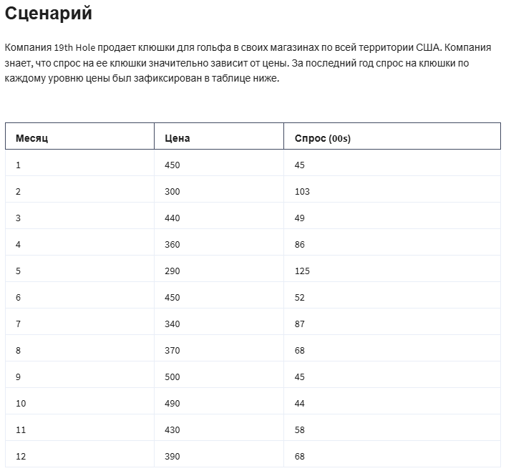
Predictions Based on Models |  |  |  |  | Absolute Percent Error
Price (x) | Linear | Power | Exponential | Demand (00s) | Linear | Power | Exponential
450 | 51.7 | 50.9 | 49.2 | 45 | 15.0% | 13.0% | 9.3%
300 | 104.9 | 110.2 | 104.1 | 103 | 1.9% | 7.0% | 1.1%
440 | 55.3 | 53.1 | 51.7 | 49 | 12.8% | 8.3% | 5.5%
360 | 83.7 | 77.9 | 77.1 | 86 | 2.7% | 9.5% | 10.3%
290 | 108.5 | 117.6 | 109.4 | 125 | 13.2% | 5.9% | 12.5%
450 | 51.7 | 50.9 | 49.2 | 52 | 0.5% | 2.2% | 5.4%
340 | 90.7 | 86.8 | 85.2 | 87 | 4.3% | 0.2% | 2.0%
370 | 80.1 | 73.9 | 73.4 | 68 | 17.8% | 8.7% | 7.9%
500 | 34.0 | 41.6 | 38.3 | 45 | 24.4% | 7.6% | 14.9%
490 | 37.6 | 43.2 | 40.3 | 44 | 14.6% | 1.7% | 8.5%
430 | 58.8 | 55.5 | 54.3 | 58 | 1.4% | 4.4% | 6.3%
390 | 73.0 | 66.8 | 66.4 | 68 | 7.4% | 1.7% | 2.4%
 |  |  |  | Average: | 9.7% | 5.9% | 7.2%

Model the Business:
Unit Cost: | £250 | per set of clubs |  |  |  | Price | Profit
Sale Price: | £700 | multiple of 10 |  |  |  |  | £985,104
Demand (00s): | 22 | from power model |  | =D16*B37^D17 |  | 260 | £144,860
Actual Demand: | 2189 |  |  | =B38*100 |  | 270 | £269,591
 |  |  |  |  |  | 280 | £377,277
Cost: | £547,280 |  |  | =B39*B36 |  | 290 | £470,459
Revenue: | £1,532,385 |  |  | =B39*B37 |  | 300 | £551,238
Profit: | £985,104 |  |  | =B42-B41 |  | 310 | £621,370
 |  |  |  |  |  | 320 | £682,321
 |  |  |  |  |  | 330 | £735,330
 |  |  |  |  |  | 340 | £781,443
 |  |  |  |  |  | 350 | £821,552
 |  |  |  |  |  | 360 | £856,415
 |  |  |  |  |  | 370 | £886,685
 |  |  |  |  |  | 380 | £912,921
 |  |  |  |  |  | 390 | £935,607
 |  |  |  |  |  | 400 | £955,163
 |  |  |  |  |  | 410 | £971,953
 |  |  |  |  |  | 420 | £986,293
 |  |  |  |  |  | 430 | £998,462
 |  |  |  |  |  | 440 | £1,008,702 |  | a) Sell at a price of $530 for a profi of 1,042,213
 |  |  |  |  |  | 450 | £1,017,226
 |  |  |  |  |  | 460 | £1,024,222
 |  |  |  |  |  | 470 | £1,029,857
 |  |  |  |  |  | 480 | £1,034,276
 |  |  |  |  |  | 490 | £1,037,609
 |  |  |  |  |  | 500 | £1,039,973
 |  |  |  |  |  | 510 | £1,041,469
 |  |  |  |  |  | 520 | £1,042,188
 |  |  |  |  |  | 530 | £1,042,213
 |  |  |  |  |  | 540 | £1,041,616
 |  |  |  |  |  | 550 | £1,040,462
 |  |  |  |  |  | 560 | £1,038,809
 |  |  |  |  |  | 570 | £1,036,711
 |  |  |  |  |  | 580 | £1,034,213
 |  |  |  |  |  | 590 | £1,031,360
 |  |  |  |  |  | 600 | £1,028,187
 |  |  |  |  |  | 800 | £933,220
 |  |  |  |  |  | 900 | £880,918
 |  |  |  |  |  | 1000 | £831,339
 |  |  |  |  |  | 1100 | £785,522
 |  |  |  |  |  | 1200 | £743,640
 |  |  |  |  |  | 1300 | £705,508
 |  |  |  |  |  | 1400 | £670,814
 |  |  |  |  |  | 1500 | £639,212
 |  |  |  |  |  | 1600 | £610,365
 |  |  |  |  |  | 1700 | £583,967
 |  |  |  |  |  | 1800 | £559,743

 |  |  |  |  |  |  | Unit Cost
 |  |  |  |  |  | £985,104 | 250 | 300 | 350 | 400 | 450 | 500 | 550
 |  |  |  |  | Price | 260 | £144,860 | -£579,439 | -£1,303,738 | -£2,028,036 | -£2,752,335 | -£3,476,633 | -£4,200,932
 |  |  |  |  |  | 270 | £269,591 | -£404,386 | -£1,078,362 | -£1,752,339 | -£2,426,315 | -£3,100,292 | -£3,774,268
 |  |  |  |  |  | 280 | £377,277 | -£251,518 | -£880,313 | -£1,509,109 | -£2,137,904 | -£2,766,699 | -£3,395,495
 |  |  |  |  |  | 290 | £470,459 | -£117,615 | -£705,688 | -£1,293,761 | -£1,881,834 | -£2,469,908 | -£3,057,981
 |  |  |  |  |  | 300 | £551,238 | £- | -£551,238 | -£1,102,477 | -£1,653,715 | -£2,204,954 | -£2,756,192
 |  |  |  |  |  | 310 | £621,370 | £103,562 | -£414,246 | -£932,054 | -£1,449,862 | -£1,967,670 | -£2,485,478
 |  |  |  |  |  | 320 | £682,321 | £194,949 | -£292,423 | -£779,795 | -£1,267,167 | -£1,754,540 | -£2,241,912
 |  |  |  |  |  | 330 | £735,330 | £275,749 | -£183,832 | -£643,414 | -£1,102,995 | -£1,562,576 | -£2,022,157
 |  |  |  |  |  | 340 | £781,443 | £347,308 | -£86,827 | -£520,962 | -£955,098 | -£1,389,233 | -£1,823,368
 |  |  |  |  |  | 350 | £821,552 | £410,776 | £- | -£410,776 | -£821,552 | -£1,232,328 | -£1,643,104
 |  |  |  |  |  | 360 | £856,415 | £467,136 | £77,856 | -£311,424 | -£700,703 | -£1,089,983 | -£1,479,262
 |  |  |  |  |  | 370 | £886,685 | £517,233 | £147,781 | -£221,671 | -£591,123 | -£960,575 | -£1,330,027
 |  |  |  |  |  | 380 | £912,921 | £561,797 | £210,674 | -£140,449 | -£491,573 | -£842,696 | -£1,193,819
 |  |  |  |  |  | 390 | £935,607 | £601,462 | £267,316 | -£66,829 | -£400,975 | -£735,120 | -£1,069,265
 |  |  |  |  |  | 400 | £955,163 | £636,776 | £318,388 | £- | -£318,388 | -£636,776 | -£955,163
 |  |  |  |  |  | 410 | £971,953 | £668,218 | £364,482 | £60,747 | -£242,988 | -£546,723 | -£850,459
 |  |  |  |  |  | 420 | £986,293 | £696,207 | £406,121 | £116,035 | -£174,052 | -£464,138 | -£754,224
 |  |  |  |  |  | 430 | £998,462 | £721,111 | £443,761 | £166,410 | -£110,940 | -£388,291 | -£665,641
 |  |  |  |  |  | 440 | £1,008,702 | £743,254 | £477,806 | £212,358 | -£53,090 | -£318,537 | -£583,985
 |  |  |  |  |  | 450 | £1,017,226 | £762,919 | £508,613 | £254,306 | £- | -£254,306 | -£508,613
 |  |  |  |  |  | 460 | £1,024,222 | £780,360 | £536,497 | £292,635 | £48,772 | -£195,090 | -£438,952
 |  |  |  |  |  | 470 | £1,029,857 | £795,798 | £561,740 | £327,682 | £93,623 | -£140,435 | -£374,493
 |  |  |  |  |  | 480 | £1,034,276 | £809,433 | £584,591 | £359,748 | £134,906 | -£89,937 | -£314,780
 |  |  |  |  |  | 490 | £1,037,609 | £821,441 | £605,272 | £389,104 | £172,935 | -£43,234 | -£259,402
 |  |  |  |  |  | 500 | £1,039,973 | £831,978 | £623,984 | £415,989 | £207,995 | £- | -£207,995
 |  |  |  |  |  | 510 | £1,041,469 | £841,186 | £640,904 | £440,621 | £240,339 | £40,056 | -£160,226
 |  |  |  |  |  | 520 | £1,042,188 | £849,190 | £656,193 | £463,195 | £270,197 | £77,199 | -£115,799
 |  |  |  |  |  | 530 | £1,042,213 | £856,104 | £669,994 | £483,885 | £297,775 | £111,666 | -£74,444
 |  |  |  |  |  | 540 | £1,041,616 | £862,027 | £682,438 | £502,849 | £323,260 | £143,671 | -£35,918
 |  |  |  |  |  | 550 | £1,040,462 | £867,051 | £693,641 | £520,231 | £346,821 | £173,410 | £-
 |  |  |  |  |  | 560 | £1,038,809 | £871,259 | £703,709 | £536,160 | £368,610 | £201,060 | £33,510
 |  |  |  |  |  | 570 | £1,036,711 | £874,725 | £712,739 | £550,753 | £388,767 | £226,780 | £64,794
 |  |  |  |  |  | 580 | £1,034,213 | £877,514 | £720,815 | £564,116 | £407,417 | £250,718 | £94,019
 |  |  |  |  |  | 590 | £1,031,360 | £879,689 | £728,019 | £576,348 | £424,677 | £273,007 | £121,336
 |  |  |  |  |  | 600 | £1,028,187 | £881,303 | £734,420 | £587,536 | £440,652 | £293,768 | £146,884
 |  |  |  |  |  | 800 | £933,220 | £848,381 | £763,543 | £678,705 | £593,867 | £509,029 | £424,191
 |  |  |  |  |  | 900 | £880,918 | £813,155 | £745,392 | £677,629 | £609,866 | £542,103 | £474,340
 |  |  |  |  |  | 1000 | £831,339 | £775,916 | £720,494 | £665,071 | £609,648 | £554,226 | £498,803
 |  |  |  |  |  | 1100 | £785,522 | £739,315 | £693,108 | £646,901 | £600,693 | £554,486 | £508,279
 |  |  |  |  |  | 1200 | £743,640 | £704,501 | £665,362 | £626,223 | £587,084 | £547,945 | £508,806
 |  |  |  |  |  | 1300 | £705,508 | £671,913 | £638,317 | £604,721 | £571,126 | £537,530 | £503,935
 |  |  |  |  |  | 1400 | £670,814 | £641,649 | £612,483 | £583,317 | £554,151 | £524,985 | £495,819
 |  |  |  |  |  | 1500 | £639,212 | £613,643 | £588,075 | £562,506 | £536,938 | £511,369 | £485,801
 |  |  |  |  |  | 1600 | £610,365 | £587,759 | £565,153 | £542,547 | £519,941 | £497,334 | £474,728
 |  |  |  |  |  | 1700 | £583,967 | £563,830 | £543,693 | £523,557 | £503,420 | £483,283 | £463,146
 |  |  |  |  |  | 1800 | £559,743 | £541,687 | £523,630 | £505,574 | £487,518 | £469,462 | £451,406

H08
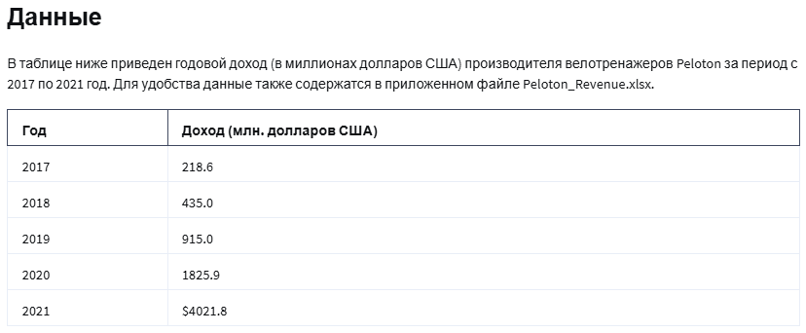
Actual Data |  | Forecasts |  | Absolute Percent Error |  | Exponential Model:
Number Year | Revenue (millions of USD) | Exponential | Power | Exponential | Power | y=ae^(bx)
1 | 218.60 | 249.91 | 173.94 | 14.32% | 20.43% | a: | 135.8
2 | 435.00 | 459.89 | 573.38 | 5.72% | 31.81% | b: | 0.6099
3 | 915.00 | 846.31 | 1152.07 | 7.51% | 25.91%
4 | 1825.90 | 1,557.42 | 1890.10 | 14.70% | 3.52% | Power Function Model:
5 | 4021.80 | 2,866.03 | 2774.96 | 28.74% | 31.00% | y=ax^b
6 | 3582.10 | 5,274.20 | 3797.69 | 47.24% | 6.02% | a: | 173.94
7 |  | 9,705.84 | 4951.41 |  |  | b: | 1.7209
 |  |  | MAPE: | 19.70% | 19.78%

H09

Gopher Drugs
 |  |  | Cash Flows:
Development Cost: | 9.3 | millions | End of Year: | Gross Margin ($M):
Lifetime: | 20 | years | 1 | £1.20
Year 1 Margin: | 1.2 | millions | 2 | £1.32 | =IF(E5<$B$6;F4+F4*$B$7;F4-F4*$B$8)
Inc Through Year: | 8 |  | 3 | £1.45 | =IF(E6<$B$6;F5+F5*$B$7;F5-F5*$B$8)
Rate of Increase: | 10% |  | 4 | £1.60 | =IF(E7<$B$6;F6+F6*$B$7;F6-F6*$B$8)
Rate of Decrease: | 5% |  | 5 | £1.76 | =IF(E8<$B$6;F7+F7*$B$7;F7-F7*$B$8)
Discount Rate: | 12% |  | 6 | £1.93 | =IF(E9<$B$6;F8+F8*$B$7;F8-F8*$B$8)
 |  |  | 7 | £2.13 | =IF(E10<$B$6;F9+F9*$B$7;F9-F9*$B$8)
(Net) Present Value: | £11.85 | =NPV(B9;F4:F23) | 8 | £2.02 | =IF(E11<$B$6;F10+F10*$B$7;F10-F10*$B$8)
Development Cost: | £9.30 |  | 9 | £1.92 | =IF(E12<$B$6;F11+F11*$B$7;F11-F11*$B$8)
Net Present Value: | £2.55 | =B11-B12 | 10 | £1.82 | =IF(E13<$B$6;F12+F12*$B$7;F12-F12*$B$8)
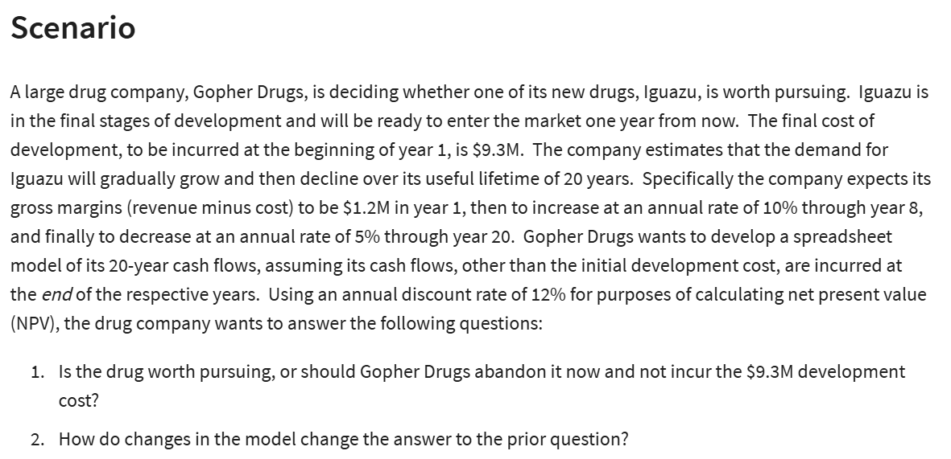
 |  |  | 11 | £1.73 | =IF(E14<$B$6;F13+F13*$B$7;F13-F13*$B$8)
 |  |  | 12 | £1.64 | =IF(E15<$B$6;F14+F14*$B$7;F14-F14*$B$8)
 |  |  | 13 | £1.56 | =IF(E16<$B$6;F15+F15*$B$7;F15-F15*$B$8)
 |  |  | 14 | £1.48 | =IF(E17<$B$6;F16+F16*$B$7;F16-F16*$B$8)
 |  |  | 15 | £1.41 | =IF(E18<$B$6;F17+F17*$B$7;F17-F17*$B$8)
 |  |  | 16 | £1.34 | =IF(E19<$B$6;F18+F18*$B$7;F18-F18*$B$8)
 |  |  | 17 | £1.27 | =IF(E20<$B$6;F19+F19*$B$7;F19-F19*$B$8)
 |  |  | 18 | £1.21 | =IF(E21<$B$6;F20+F20*$B$7;F20-F20*$B$8)
 |  |  | 19 | £1.15 | =IF(E22<$B$6;F21+F21*$B$7;F21-F21*$B$8)
 |  |  | 20 | £1.09 | =IF(E23<$B$6;F22+F22*$B$7;F22-F22*$B$8)

H10
Bluejay Natural Gas Financials (in millions)
Given:
 | Project Index | Functional Area | Partnership % | Capex Year 1 | Capex Year 2 | Capex Year 3 | NPV |  |  |  | Inputs
 | 1 | FA 1 | 100% | $250 | $100 | $100 | 60 |  |  |  | Annual Revenue (millions) | $50,000
Insert Discount Rate Reduction
Here:
 | 2 | FA 1 | 33% | $500 | $300 | $300 | 180 |  |  |  | Expenditure (millions) | $10,000
 | 3 | FA 1 | 50% | $100 | $200 | $400 | 80 |  |  |  | Yearly Cap (millions) | $4,000
 | 4 | FA 1 | 100% | $750 | $500 | $300 | 310 |  |  |  | NPV Discount Rate % decrease: | 12%
 | 5 | FA 1 | 75% | $200 | $400 | $800 | 220
 | 6 | FA 2 | 50% | $1,000 | $300 | $300 | 180 |  |  |  | Requirement Checks
 | 7 | FA 2 | 100% | $750 | $750 | $300 | 410 |  |  |  | Capital Ex. Under 4000 (Y1) | 1
 | 8 | FA 2 | 100% | $800 | $700 | $600 | 280 |  |  |  | Capital Ex. under 4000 (Y2) | 1
Insert 0 or 1 here:
 | 9 | FA 2 | 67% | $400 | $600 | $800 | 380 |  |  |  | Capital Ex. under 4000 (Y3) | 1
 | 10 | FA 3 | 100% | $100 | $200 | $400 | 100 |  |  |  | Under $10,000 (year 1-3) | 1
 | 11 | FA 3 | 50% | $700 | $500 | $300 | 260 |  |  |  | Each FA has at least 1 project approved | 1
 | 12 | FA 3 | 100% | $1,500 | $400 | $400 | 340 |  |  |  | Number of Approved Project for FA 1 | 4
 |  |  |  |  |  |  |  |  |  |  | Number of Approved Project for FA 2 | 2
 |  |  | Adjusted based on % Partnership: |  |  |  |  |  |  |  | Number of Approved Project for FA 3 | 2
Project Index | Functional Area | Partnership % | Cap Ex. Yr1 | Cap Ex. Yr2 | Cap Ex. Yr3 | Total Cost | NPV | New NPV | ROI | Approval Rating | Total Number of Approved Projects | 8
1 | FA 1 | 100% | $250 | $100 | $100 | $450 | $60 | $53 |  | 0
2 | FA 1 | 33% | $165 | $99 | $99 | $363 | $180 | $158 | 14% | 1 | Are the Conditions Met? | 1
3 | FA 1 | 50% | $50 | $100 | $200 | $350 | $80 | $70 | 10% | 1
4 | FA 1 | 100% | $750 | $500 | $300 | $1,550 | $310 | $273 | 18% | 1
5 | FA 1 | 75% | $150 | $300 | $600 | $1,050 | $220 | $194 | 14% | 1
 |  | FA 1 Approved Totals: | $1,115 | $999 | $1,199 | $3,313 |  |  |  |  |  |  | Approved Cap Ex. Year Totals
 |  |  |  |  |  |  |  |  |  |  |  |  | Year 1 | Year 2 | Year 3
6 | FA 2 | 50% | $500 | $150 | $150 | $800 | $180 | $158 |  | 0 | Functional Area: | FA 1 | $1,115 | $999 | $1,199
7 | FA 2 | 100% | $750 | $750 | $300 | $1,800 | $410 | $361 | 20% | 1 |  | FA 2 | $1,018 | $1,152 | $836
8 | FA 2 | 100% | $800 | $700 | $600 | $2,100 | $280 | $246 |  | 0 |  | FA 3 | $1,850 | $650 | $550
9 | FA 2 | 67% | $268 | $402 | $536 | $1,206 | $380 | $334 | 19% | 1
 |  | FA 2 Approved Totals: | $1,018 | $1,152 | $836 | $3,006

10 | FA 3 | 100% | $100 | $200 | $400 | $700 | $100 | $88 |  | 0
11 | FA 3 | 50% | $350 | $250 | $150 | $750 | $260 | $229 | 15% | 1
12 | FA 3 | 100% | $1,500 | $400 | $400 | $2,300 | $340 | $299 | 13% | 1
 |  | FA 3 Approved Totals: | $1,850 | $650 | $550 | $3,050

 |  |  | Cap Ex. Yr1 | Cap Ex. Yr2 | Cap Ex. Yr3 | Total Cost |  | Total Approved NPV:
 |  | Overall Totals for Approved Projects: | $3,983 | $2,801 | $2,585 | $9,369 |  | $1,918

 |  |  |  | ROI
 |  |  | % Change | Average | Minimum | Maximum
 |  |  |  | 15% | 10% | 20%
 |  |  | 0% | 17% | 11% | 23%
 |  |  | 5% | 17% | 11% | 22%
 |  |  | 10% | 16% | 10% | 21%
 |  |  | 15% | 15% | 10% | 19%
 |  |  | 20% | 14% | 9% | 18%
 |  |  | 25% | 13% | 9% | 17%
 |  |  | 30% | 12% | 8% | 16%

H11

 | No. of Radio Ads | No. of TV Ads
Variables: | 175 | 10 | <-- dummy numbers
 | 3000 | 7000 | <-- coeff for object
Objective (max):
No. of People Reached: | 595,000

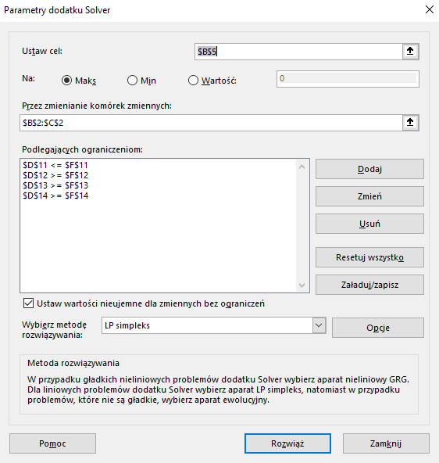
Constaint Table: |  |  | LHS | Sign | RHS
Budget: | 200 | 500 | 40000 | <= | 40000 | =SUMPRODUCT($B$2:$C$2;B11:C11)
at least 10 Radio | 1 |  | 175 | >= | 10 | =SUMPRODUCT($B$2:$C$2;B12:C12)
at least 10 TV |  | 1 | 10 | >= | 10 | =SUMPRODUCT($B$2:$C$2;B13:C13)
R >= T | 1 | -1 | 165 | >= | 0 | =SUMPRODUCT($B$2:$C$2;B14:C14)

H13

 | No. of Basics | No. of XPs
Variables: | 560 | 1200

Objective (MAX): |  |  | Total:
Revenue: | £300.00 | £450.00 | £708,000.00 |  |  | =SUMPRODUCT($B$2:$C$2;B5:C5)
Costs:
Parts: | £150.00 | £225.00 | £354,000.00 |  |  | =SUMPRODUCT($B$2:$C$2;B7:C7)
Labor/Assem: | 5 | 6 | £110,000.00 |  |  | =SUMPRODUCT($B$2:$C$2;B8:C8)*H8 | £11.00 | for assembly
Labor/Testing: | 1 | 2 | £44,400.00 |  |  | =SUMPRODUCT($B$2:$C$2;B9:C9)*H9 | £15.00 | labor
Profit: |  |  | £199,600.00 |  |  | =D5-D7-D8-D9

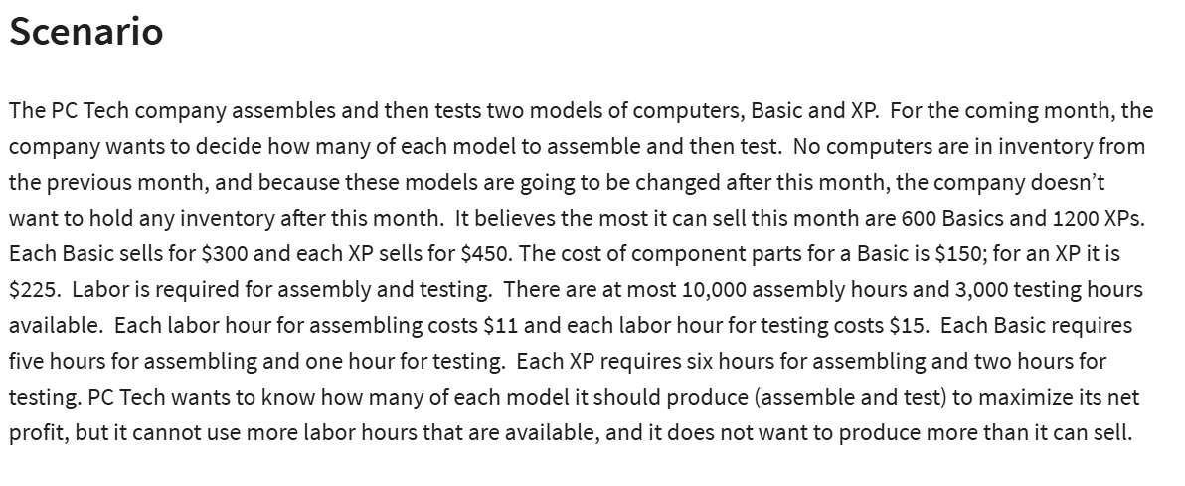
Constraints: |  |  | LHS | Sign | RHS
at most 600 Basics | 1 |  | 560 | <= | 600 | =SUMPRODUCT(B14:C14;$B$2:$C$2)
at most 1200 XPs |  | 1 | 1200 | <= | 1200 | =SUMPRODUCT(B15:C15;$B$2:$C$2)
Assesmbly Hours: | 5 | 6 | 10000 | <= | 10000 | =SUMPRODUCT(B16:C16;$B$2:$C$2)
Testing Hours: | 1 | 2 | 2960 | <= | 3000 | =SUMPRODUCT(B17:C17;$B$2:$C$2)

H15

 | x1 | x2 | x3 | x4 | x5
Variables: | £50,000.00 | £- | £- | £175,000.00 | £25,000.00
 | 5.30% | 6.80% | 4.90% | 8.40% | 11.80%

Objective (max):
Rate of Return: | £20,300.00 | =SUMPRODUCT(B2:F2;B3:F3)

Constraitns: |  |  |  |  |  | LHS | Sign | RHS
Budget: | 1 | 1 | 1 | 1 | 1 | 250000 | <= | 250000
Municipal Bond 20% | 1 |  |  |  |  | 50000 | >= | 50000
40% in Tech Stock |  | 1 | 1 | 1 |  | 175000 | >= | 100000
no more 50% in high risk | -50% |  |  |  | 1 | 0 | <= | 0

 |  |  |  |  |  |  |  |  |  | Инвестиция | Доходность (%)
 |  |  |  |  |  |  |  |  | x1 | L.A. Municipal Bond | 5.3
 |  |  |  |  |  |  |  |  | x2 | Thompson Electronics, Inc. | 6.8
 |  |  |  |  |  |  |  |  | x3 | United Aerospace Corp. | 4.9
 |  |  |  |  |  |  |  |  | x4 | Palmer Technologies | 8.4
 |  |  |  |  |  |  |  |  | x5 | HDN Stock (high risk) | 11.8

H16
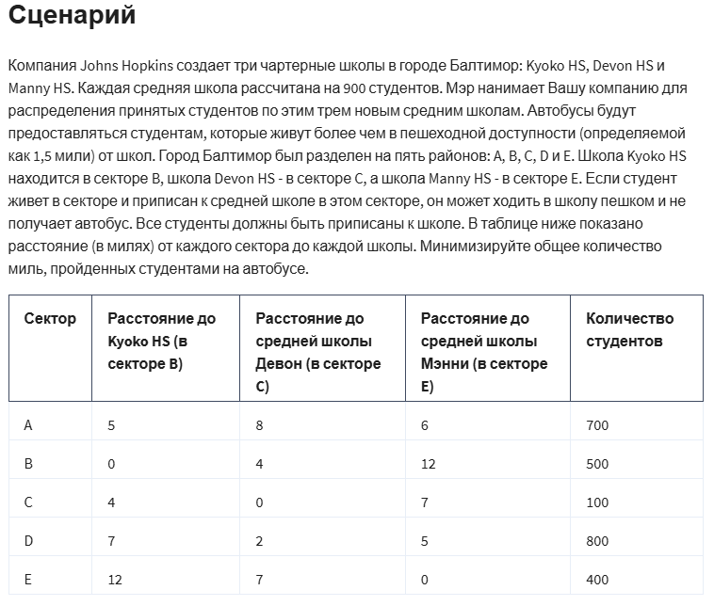
 | No. Of students to assign from A to HS in B

Variables: | AB | AC | AE | BB | BC | BE | CB | CC | CE | DB | DC | DE | EB | EC | EE
 | 400 | 0 | 300 | 500 | 0 | 0 | 0 | 100 | 0 | 0 | 800 | 0 | 0 | 0 | 400
 | 5 | 8 | 6 | 0 | 4 | 12 | 4 | 0 | 7 | 7 | 2 | 5 | 12 | 7 | 0
Objective (min):
Students Bus Miles: | 5400 | =SUMPRODUCT(B7:P7;B8:P8)

Constraints: |  |  |  |  |  |  |  |  |  |  |  |  |  |  |  | LHS | Sign | RHS
900 in school B | 1 |  |  | 1 |  |  | 1 |  |  | 1 |  |  | 1 |  |  | 900 | <= | 900
900 in school C |  | 1 |  |  | 1 |  |  | 1 |  |  | 1 |  |  | 1 |  | 900 | <= | 900
900 in school E |  |  | 1 |  |  | 1 |  |  | 1 |  |  | 1 |  |  | 1 | 700 | <= | 900
700 in A | 1 | 1 | 1 |  |  |  |  |  |  |  |  |  |  |  |  | 700 | = | 700
500 in B |  |  |  | 1 | 1 | 1 |  |  |  |  |  |  |  |  |  | 500 | = | 500
100 in C |  |  |  |  |  |  | 1 | 1 | 1 |  |  |  |  |  |  | 100 | = | 100
800 in D |  |  |  |  |  |  |  |  |  | 1 | 1 | 1 |  |  |  | 800 | = | 800
400 in E |  |  |  |  |  |  |  |  |  |  |  |  | 1 | 1 | 1 | 400 | = | 400

H18
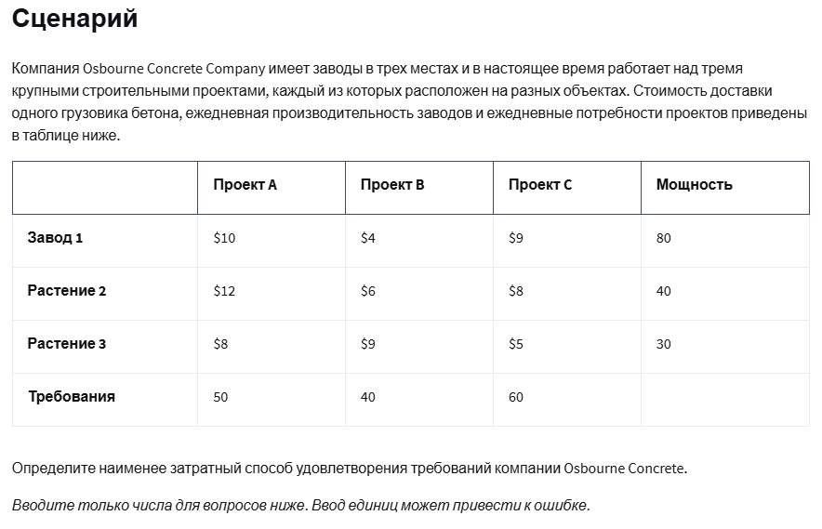
Origin / Factories | Destinations/Stores | Unit Costs | Shipments
Factory 1 | Project A | 10 | 40
Factory 1 | Project B | 4 | 40
Factory 1 | Project C | 9 | 0
Factory 2 | Project A | 12 | 0
Factory 2 | Project B | 6 | 0
Factory 2 | Project C | 8 | 40
Factory 3 | Project A | 8 | 10
Factory 3 | Project B | 9 | 0
Factory 3 | Project C | 5 | 20

Supply Constraints
Factories: | Outflow | Sign | Capacity
Factory 1 | 80 | <= | 80
Factory 2 | 40 | <= | 40
Factory 3 | 30 | <= | 30

Demand Constraints
Stores: | Inflow | Sign | Demand
Project A | 50 | >= | 50
Project B | 40 | >= | 40
Project C | 60 | >= | 60

Objective Cost (min): | 1060 | =SUMPRODUCT(C2:C10;D2:D10)

H19
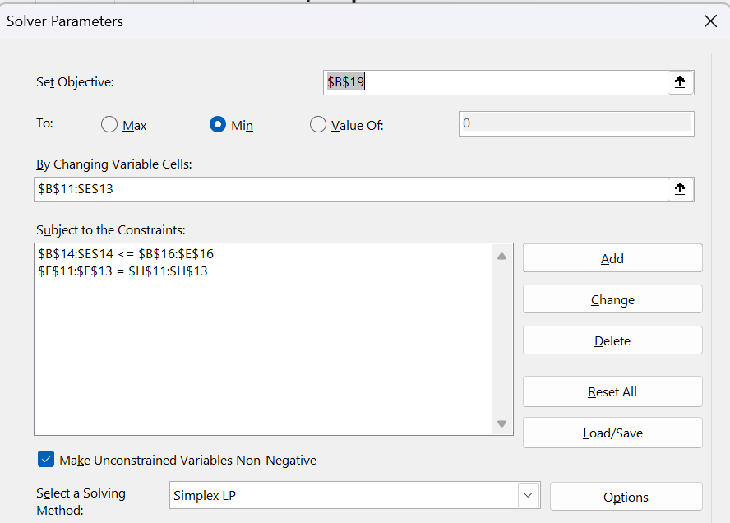
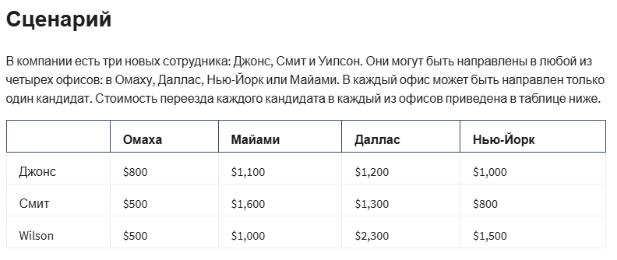
Assignment Problem Template

 | Omaha | Miami | Dallas | New York
Jones | € 800.00 | € 1,100.00 | € 1,200.00 | € 1,000.00
Smith | € 500.00 | € 1,600.00 | € 1,300.00 | € 800.00
Wilson | € 500.00 | € 1,000.00 | € 2,300.00 | € 1,500.00

Cost Table Relocation:
 | Omaha | Miami | Dallas | New York | Total | Sign
Jones | 0.00 | 1.00 | 0.00 | 0.00 | 1.00 | = | 1
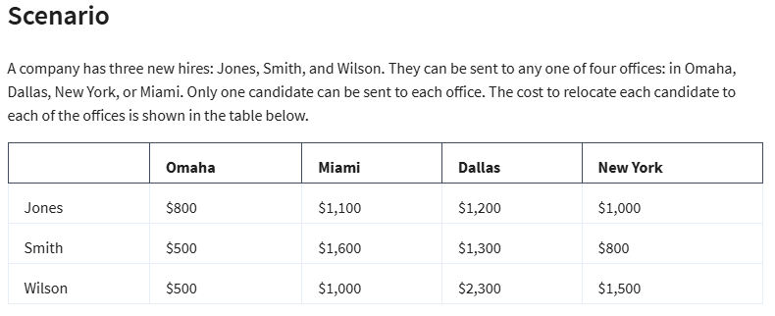
Smith | 0.00 | 0.00 | 0.00 | 1.00 | 1.00 | = | 1
Wilson | 1.00 | 0.00 | 0.00 | 0.00 | 1.00 | = | 1
Total: | 1.00 | 1.00 | 0.00 | 1.00
 | <= | <= | <= | <=
 | 1 | 1 | 1 | 1

Objective (min):
Relocation Cost: | € 2,400.00 | =SUMPRODUCT(B5:E7;B11:E13)

H20
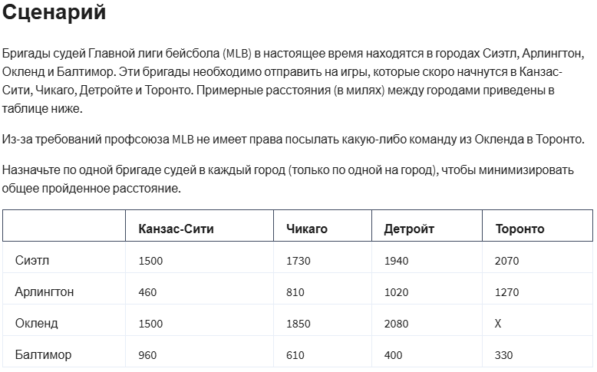
Distance (mil):

From: | Kansas City | Chicago | Detroit | Toronto
Seattle | € 1,500.00 | € 1,730.00 | € 1,940.00 | € 2,070.00
Arlington | € 460.00 | € 810.00 | € 1,020.00 | € 1,270.00
Oakland | € 1,500.00 | € 1,850.00 | € 2,080.00 | X
Baltimore | € 960.00 | € 610.00 | € 400.00 | € 330.00

Assignments:
From: | Kansas City | Chicago | Detroit | Toronto | Total: | Sign
Seattle | 0 | 0 | 1 | 0 | 1.00 | = | 1
Arlington | 0 | 1 | 0 | 0 | 1.00 | = | 1
Oakland | 1 | 0 | 0 | 0 | 1.00 | = | 1
Baltimore | 0 | 0 | 0 | 1 | 1.00 | = | 1
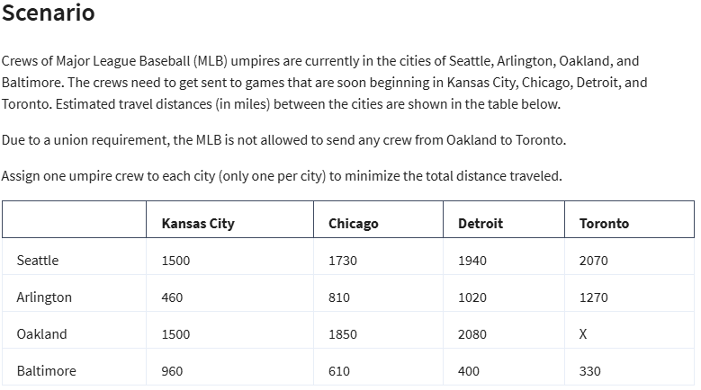
Total: | 1 | 1 | 1 | 1
Sign | = | = | = | =
 | 1 | 1 | 1 | 1

Objective (min):
Distance (mil): | € 4,580.00 | =SUMPRODUCT(B5:E8;B12:E15)

H21
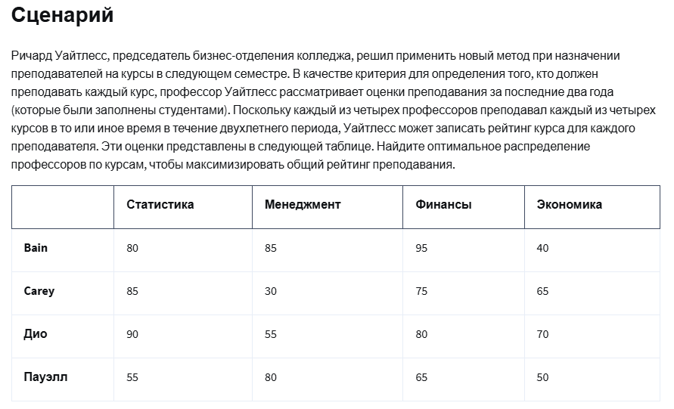

Name | Statistics | Management | Finance | Economics
Bain | 80 | 85 | 95 | 40
Carey | 85 | 30 | 75 | 65
Dio | 90 | 55 | 80 | 70
Powell | 55 | 80 | 65 | 50

Name | Statistics | Management | Finance | Economics
Bain | 0 | 0 | 1 | 0 | 1 | = | 1
Carey | 1 | 0 | 0 | 0 | 1 | = | 1
Dio | 0 | 0 | 0 | 1 | 1 | = | 1
Powell | 0 | 1 | 0 | 0 | 1 | = | 1
 | 1 | 1 | 1 | 1
 | = | = | = | =
 | 1 | 1 | 1 | 1


Overall Rating (max): | 330 | =SUMPRODUCT(B5:E8;B12:E15)

H22

 | Store A | Store B | Store C | Output: |  |  | Manufacturing Costs:
Factory 1 | 22 | 14 | 30 | 100 |  |  | Factory 1 | £6.00
Factory 2 | 16 | 20 | 24 | 120 |  |  | Factory 2 | £6.25
Demand: | 80 | 60 | 70

 | Store A | Store B | Store C | Total: | Sign
Factory 1 | 0 | 60 | 30 | 90 | <= | 100
Factory 2 | 80 | 0 | 40 | 120 | <= | 120
Total: | 80 | 60 | 70
Sign | >= | >= | >=
 | 80 | 60 | 70

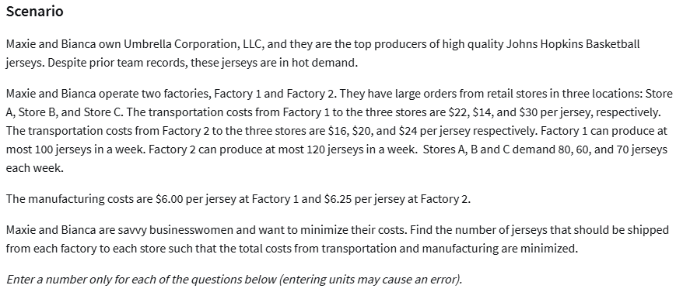

 | £3,980.00
 | £1,290.00
 | £5,270.00

H24
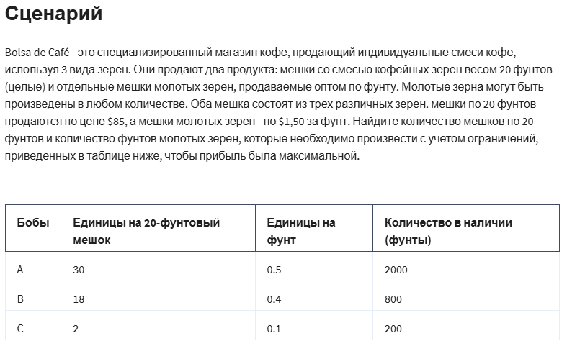
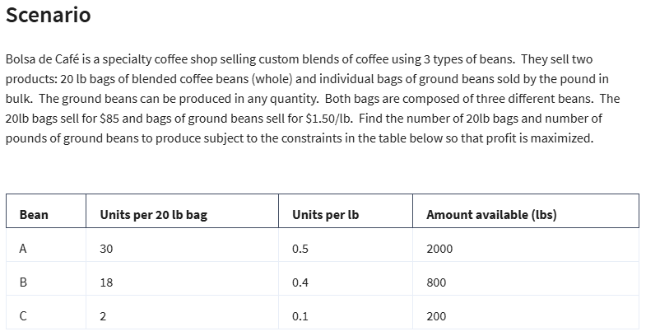
Variables: | No. of 20lb bags | Ibs of grinded beans
 | 44 | 20.00
 | £85.00 | £1.50

Objective (max):
Profit | £3,770.00 | =SUMPRODUCT(B2:C2;B3:C3)

Constraints: |  |  | LHS | Sign | RHS
A | 30 | 0.5 | 1330 | <= | 2000 | =SUMPRODUCT($B$2:$C$2;B9:C9)
B | 18 | 0.4 | 800 | <= | 800 | =SUMPRODUCT($B$2:$C$2;B10:C10)
C | 2 | 0.1 | 90 | <= | 200 | =SUMPRODUCT($B$2:$C$2;B11:C11)

H25

size | 3x4 | 2x3
 | 2 | 6
price | £5.00 | £7.00

time | 3 | 1.5

profit | £52.00

 |  |  | LHS | Sign | RHS
3x4 | 1 |  | 2 | <= | 4
2x3 |  | 1 | 6 | <= | 6
harbor | 3 | 1.5 | 15 | <= | 15

H26
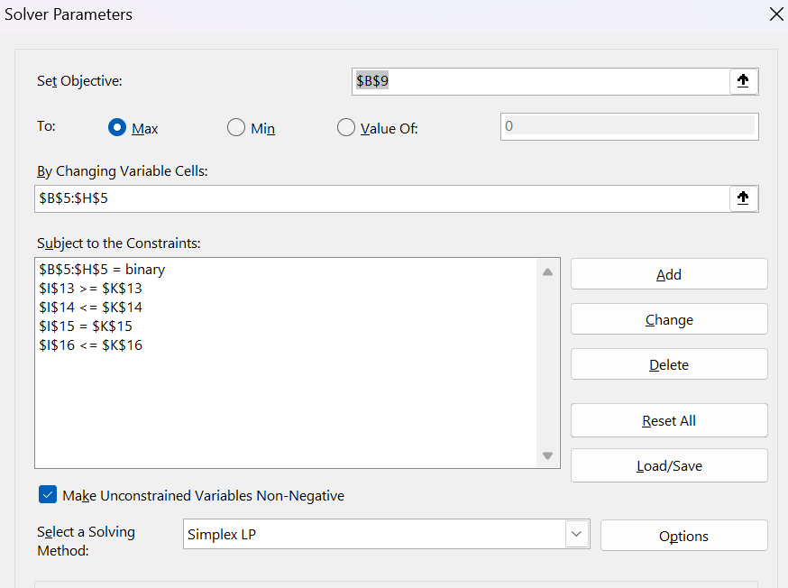
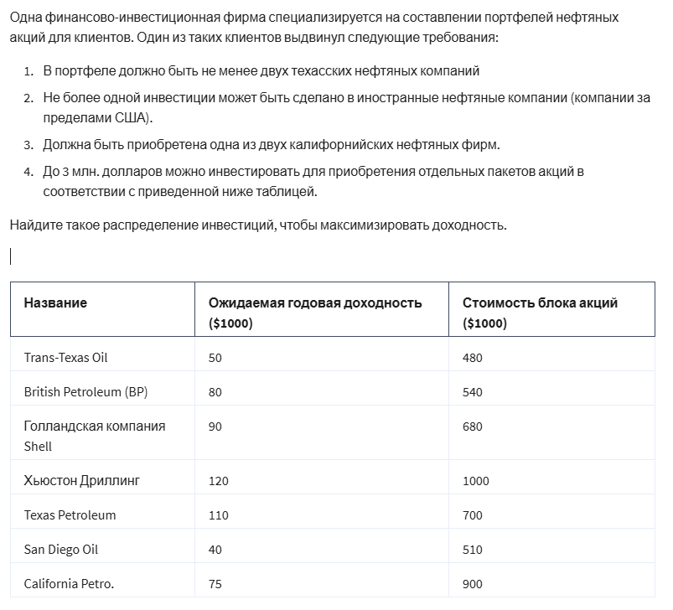
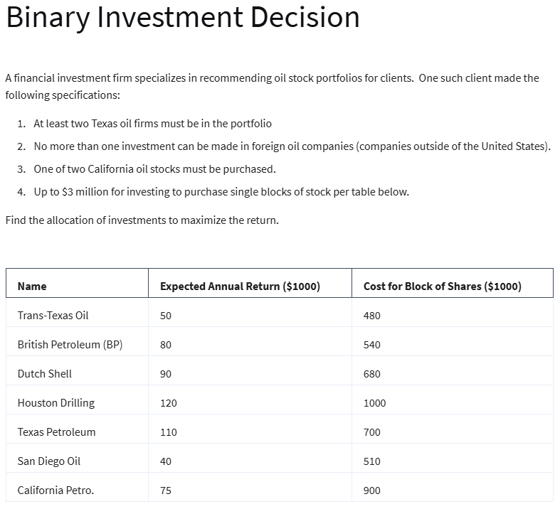

Variables: | X1 | X2 | X3 | X4 | X5 | X6 | X7
(0;1) | 0 | 0 | 1 | 1 | 1 | 1 | 0
 | 50 | 80 | 90 | 120 | 110 | 40 | 75 | (000s)

Objective (max):
Return | 360 |  | (000s) | =SUMPRODUCT(B5:H5;B6:H6)

Constraints: |  |  |  |  |  |  |  | LHS | Sign | RHS
at least 2 TX | 1 |  |  | 1 | 1 |  |  | 2 | >= | 2
no more 1 foreigh |  | 1 | 1 |  |  |  |  | 1 | <= | 1
no more 1 CA |  |  |  |  |  | 1 | 1 | 1 | = | 1
budget | 480 | 540 | 680 | 1000 | 700 | 510 | 900 | 2890 | <= | 3000

H27

 | X | Y
 | 93% | 7%

Non-linear Vars:
 | X^2 | XY | Y^2
Formulas: | 0.86533261804 | 0.064899943228 | 0.0048674955077
 | =B2^2 | =B2*C2 | =C2^2
 | 0.16 | 0.2 | 0.9

Objective (min):
Variance: | 0.15581395349 | =SUMPRODUCT(B6:D6;B8:D8)

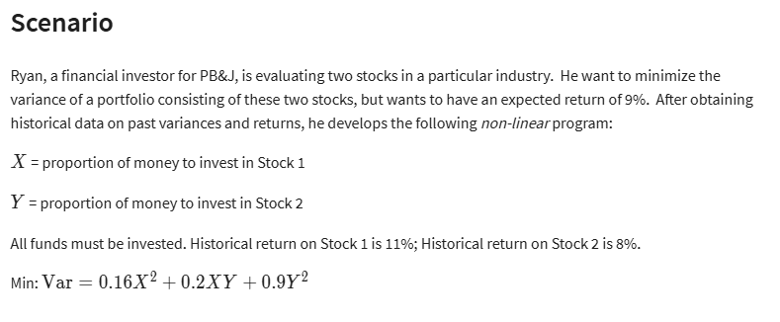
Constraint |  |  | LHS | Sign | RHS
All funds invested | 1 | 1 | 100% | <= | 100%
Ex. Return 9% | 11% | 8% | 11% | >= | 9%

H29
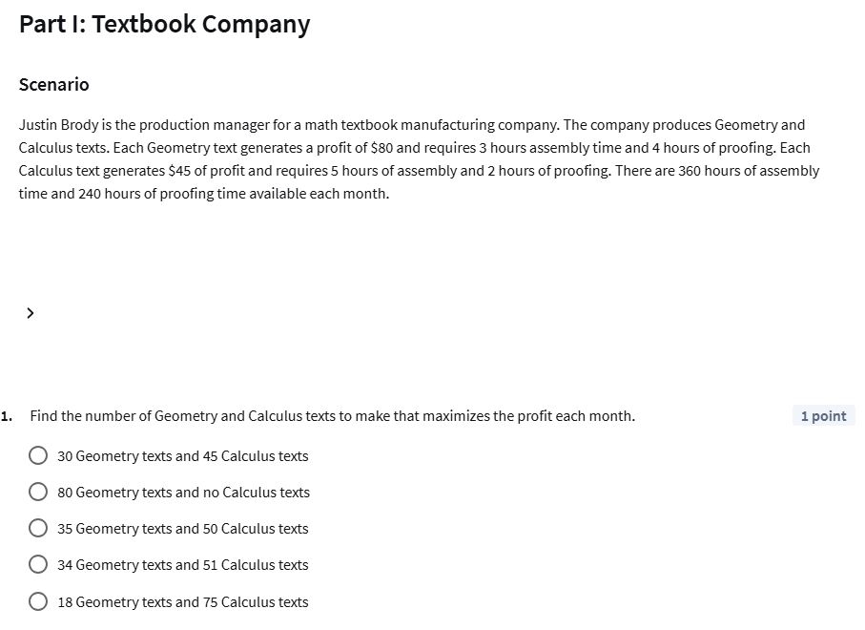

 | Geometry | Calculus
 | 35 | 50
Price per item: | £80.00 | £45.00
Assembly time (hours): | 3 | 5
Proofing (hours): | 4 | 2

Profit: | £5,050.00

Constraints: |  |  | LHS | Sign | RHS
limit Assembly time on month: | 1 | 1 | 355 | <= | 360
limit Proofing on month: | 1 | 1 | 240 | <= | 240

H30
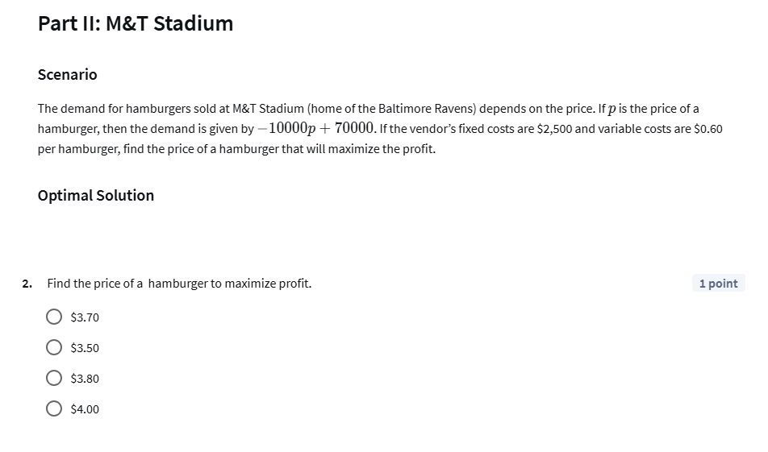


Price of a hamburger: | £3.80
-10000p | -38000.00
Demand: | 32000.00

Revenue: | £121,600.00
Variable costs: | £0.60
Fixed costs: | £2,500.00

Profit: | £99,900.00

Project Model
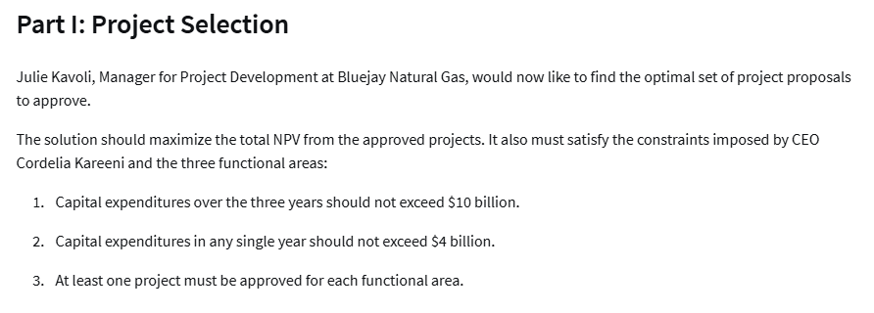
Bluejay Natural Gas Financials (in millions)
Given:
 | Project Index | Functional Area | Partnership % | Capex Year 1 | Capex Year 2 | Capex Year 3 | NPV |  |  |  |  |  | Inputs
 | 1 | FA 1 | 100% | $250 | $100 | $100 | 60 |  |  |  |  |  | Annual Revenue (millions) | $50,000
Insert Discount Rate Reduction
Here:
 | 2 | FA 1 | 33% | $500 | $300 | $300 | 180 |  |  |  |  |  | Expenditure (millions) | $10,000
 | 3 | FA 1 | 50% | $100 | $200 | $400 | 80 |  |  |  |  |  | Yearly Cap (millions) | $4,000
 | 4 | FA 1 | 100% | $750 | $500 | $300 | 310 |  |  |  |  |  | NPV Discount Rate % decrease: | 12%
 | 5 | FA 1 | 75% | $200 | $400 | $800 | 220
 | 6 | FA 2 | 50% | $1,000 | $300 | $300 | 180 |  |  |  |  |  | Requirement Checks
 | 7 | FA 2 | 100% | $750 | $750 | $300 | 410 |  |  |  |  |  | Capital Ex. Under 4000 (Y1) | 1
 | 8 | FA 2 | 100% | $800 | $700 | $600 | 280 |  |  |  |  |  | Capital Ex. under 4000 (Y2) | 1
Insert 0 or 1 here:
 | 9 | FA 2 | 67% | $400 | $600 | $800 | 380 |  |  |  |  |  | Capital Ex. under 4000 (Y3) | 1
 | 10 | FA 3 | 100% | $100 | $200 | $400 | 100 |  |  |  |  |  | Under $10,000 (year 1-3) | 1
 | 11 | FA 3 | 50% | $700 | $500 | $300 | 260 |  |  |  |  |  | Each FA has at least 1 project approved | 1
 | 12 | FA 3 | 100% | $1,500 | $400 | $400 | 340 |  |  |  |  |  | Number of Approved Project for FA 1 | 3 | >= | 1
 |  |  |  |  |  |  |  |  |  |  |  |  | Number of Approved Project for FA 2 | 4 | >= | 1

 |  |  | Adjusted based on % Partnership: |  |  |  |  |  |  |  |  |  | Number of Approved Project for FA 3 | 1 | >= | 1
Project Index | Functional Area | Partnership % | Cap Ex. Yr1 | Cap Ex. Yr2 | Cap Ex. Yr3 | Total Cost | NPV | New NPV | ROI | Approval Rating | Manager |  | Total Number of Approved Projects | 8 | >= | 1
1 | FA 1 | 100% | $250 | $100 | $100 | $450 | $60 | $53 |  | 0 | #N/A
2 | FA 1 | 33% | $165 | $99 | $99 | $363 | $180 | $158 | 14% | 1 | 5 |  | Are the Conditions Met? | 1
3 | FA 1 | 50% | $50 | $100 | $200 | $350 | $80 | $70 |  | 0 | #N/A
4 | FA 1 | 100% | $750 | $500 | $300 | $1,550 | $310 | $273 | 18% | 1 | 7
5 | FA 1 | 75% | $150 | $300 | $600 | $1,050 | $220 | $194 | 14% | 1 | 6
 |  | FA 1 Approved Totals: | $1,065 | $899 | $999 | $2,963 |  |  |  |  |  |  |  |  | Approved Cap Ex. Year Totals
 |  |  |  |  |  |  |  |  |  |  |  |  |  |  | Year 1 | Year 2 | Year 3
6 | FA 2 | 50% | $500 | $150 | $150 | $800 | $180 | $158 | 10% | 1 | 1 |  | Functional Area: | FA 1 | $1,065 | $899 | $999
7 | FA 2 | 100% | $750 | $750 | $300 | $1,800 | $410 | $361 | 20% | 1 | 4 |  |  | FA 2 | $2,318 | $2,002 | $1,586
8 | FA 2 | 100% | $800 | $700 | $600 | $2,100 | $280 | $246 | 12% | 1 | 2 |  |  | FA 3 | $350 | $250 | $150
9 | FA 2 | 67% | $268 | $402 | $536 | $1,206 | $380 | $334 | 19% | 1 | 3
 |  | FA 2 Approved Totals: | $2,318 | $2,002 | $1,586 | $5,906

10 | FA 3 | 100% | $100 | $200 | $400 | $700 | $100 | $88 |  | 0 | #N/A
11 | FA 3 | 50% | $350 | $250 | $150 | $750 | $260 | $229 | 15% | 1 | 8
12 | FA 3 | 100% | $1,500 | $400 | $400 | $2,300 | $340 | $299 |  | 0 | #N/A |  |  |  | ROI
 |  | FA 3 Approved Totals: | $350 | $250 | $150 | $750 |  |  |  |  |  |  |  | % Change | Average | Minimum | Maximum
 |  |  |  |  |  |  |  |  |  |  |  |  |  |  | 15% | 10% | 20%
 |  |  | Cap Ex. Yr1 | Cap Ex. Yr2 | Cap Ex. Yr3 | Total Cost |  | Total Approved NPV: |  |  |  |  |  | 0% | 17% | 11% | 23%
 |  | Overall Totals for Approved Projects: | $3,733 | $3,151 | $2,735 | $9,619 |  | $1,954 |  |  |  |  |  | 5% | 17% | 11% | 22%
 |  |  | <= | <= | <= | <= |  |  |  |  |  |  |  | 10% | 16% | 10% | 21%
 |  |  | 4000 | 4000 | 4000 | 10000 |  |  |  |  |  |  |  | 15% | 15% | 10% | 19%
 |  |  |  |  |  |  |  |  |  |  |  |  |  | 20% | 14% | 9% | 18%
 |  |  |  |  |  |  |  |  |  |  |  |  |  | 25% | 13% | 9% | 17%
 |  |  |  |  |  |  |  |  |  |  |  |  |  | 30% | 12% | 8% | 16%


 | Manager 1 | Manager 2 | Manager 3 | Manager 4 | Manager 5 | Manager 6 | Manager 7 | Manager 8
Project 1 | 1 | 1 | 1 | 1 | 1 | 0 | 0 | 0
Project 2 | 1 | 1 | 1 | 1 | 0 | 1 | 0 | 1
Project 3 | 1 | 0 | 0 | 1 | 1 | 1 | 0 | 1
Project 4 | 0 | 1 | 0 | 0 | 1 | 1 | 1 | 1
Project 5 | 1 | 1 | 1 | 1 | 1 | 1 | 1 | 0
Project 6 | 1 | 1 | 1 | 1 | 1 | 1 | 1 | 1
Project 7 | 1 | 1 | 1 | 1 | 1 | 1 | 0 | 1
Project 8 | 1 | 1 | 1 | 1 | 0 | 1 | 1 | 0
Project 9 | 1 | 1 | 1 | 1 | 0 | 0 | 0 | 1
Project 10 | 1 | 1 | 1 | 1 | 0 | 1 | 1 | 1
Project 11 | 1 | 1 | 1 | 1 | 1 | 1 | 0 | 1
Project 12 | 0 | 0 | 0 | 1 | 1 | 0 | 1 | 1


 | Manager 1 | Manager 2 | Manager 3 | Manager 4 | Manager 5 | Manager 6 | Manager 7 | Manager 8 | LHS | Sign | RHS
Project 1 | 0 | 0 | 0 | 0 | 0 | 0 | 0 | 0 | 0 | = | 0 | =K19
Project 2 | 0 | 0 | 0 | 0 | 1 | 0 | 0 | 0 | 1 | = | 1
Project 3 | 0 | 0 | 0 | 0 | 0 | 0 | 0 | 0 | 0 | = | 0
Project 4 | 0 | 0 | 0 | 0 | 0 | 0 | 1 | 0 | 1 | = | 1
Project 5 | 0 | 0 | 0 | 0 | 0 | 1 | 0 | 0 | 1 | = | 1
Project 6 | 1 | 0 | 0 | 0 | 0 | 0 | 0 | 0 | 1 | = | 1
Project 7 | 0 | 0 | 0 | 1 | 0 | 0 | 0 | 0 | 1 | = | 1
Project 8 | 0 | 1 | 0 | 0 | 0 | 0 | 0 | 0 | 1 | = | 1
Project 9 | 0 | 0 | 1 | 0 | 0 | 0 | 0 | 0 | 1 | = | 1
Project 10 | 0 | 0 | 0 | 0 | 0 | 0 | 0 | 0 | 0 | = | 0
Project 11 | 0 | 0 | 0 | 0 | 0 | 0 | 0 | 1 | 1 | = | 1
Project 12 | 0 | 0 | 0 | 0 | 0 | 0 | 0 | 0 | 0 | = | 0
LHS | 1 | 1 | 1 | 1 | 1 | 1 | 1 | 1
Sign | = | = | = | = | = | = | = | =
RHS | 1 | 1 | 1 | 1 | 1 | 1 | 1 | 1

Solution Solver Summary
Without the restriction of assigning qualified managers, based on this spreadsheet, solver looks like this: | With the addition of assigning managers, based on this spreadsheet, solver looks like this:
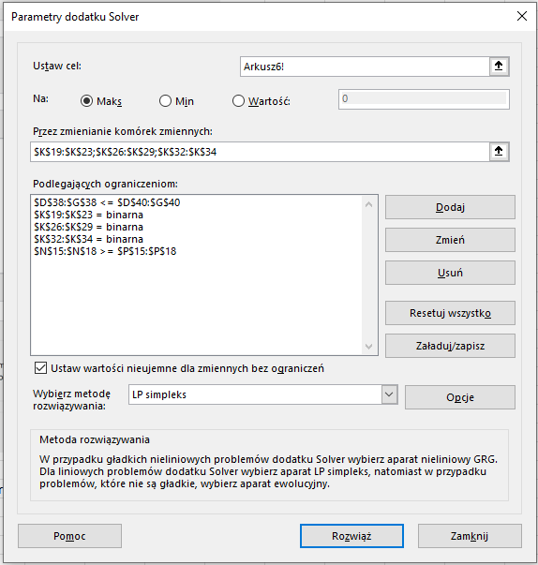
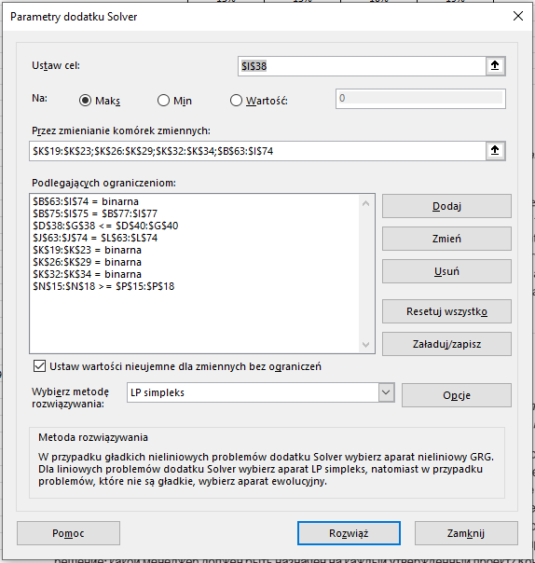

To give a maximum NPV of $2024 with all projects approved except 1, 10, and 12. | This gives a maximum NPV of $1954 meeting all constraints for all approved projects except 1, 3 and 12.
 | The manager assignment is given in L19 - L34 for each approved project.

